Using This Template
 | HOW TO MAKE A COPY OF THIS GOOGLE SHEET
 | Click "File" then "Make a copy" to save this to your own personal drive.
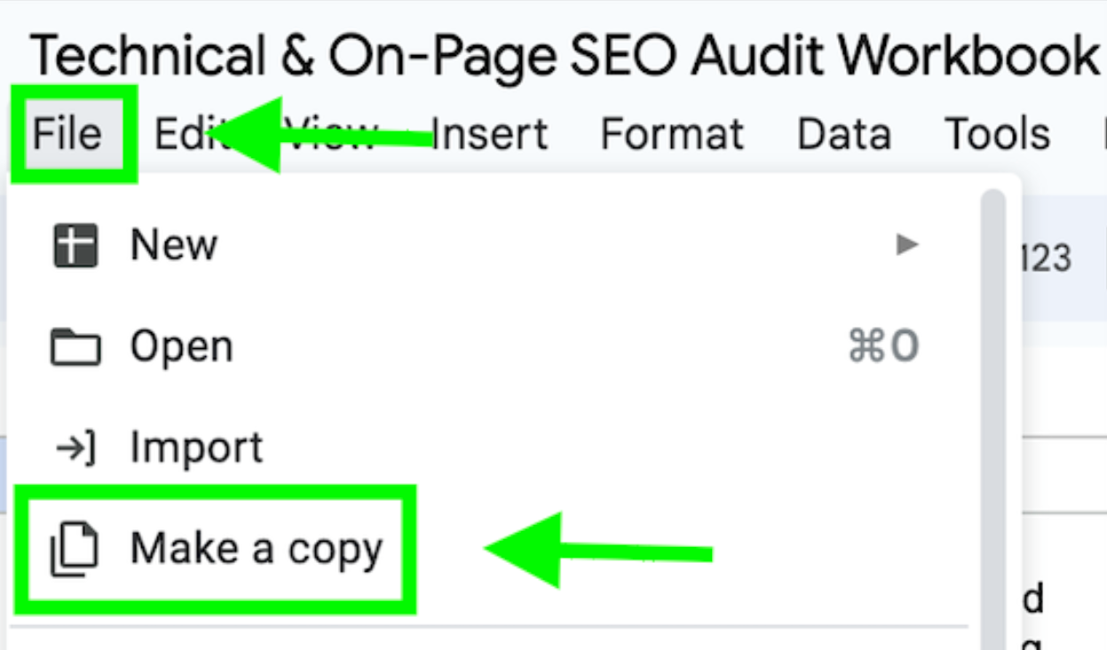

How To Use The Technical & On-Page SEO Audit Workbook
Refer to the Introduction: Using The Template in the ebook for more details.

1. Use the Technical Audit Checklist and On-Page Audit Checklist tabs to perform an audit step by step.
2. Export the results of each test into raw .csv files and copy the data into a new Data page (scroll right on the tabs).
3. Clean up the data and combine it with any other relevant tables from your tools so that it's easy to see the URLs that need attention. Reference "Advanced SEO Audit Techniques: Excel" starting page 28 of the companion ebook for help working with data in Excel and Sheets.
4. Summarize and prioritize your findings in the Audit Recommendations tab.
5. Don't forget to provide links to relevant data tables to make it easier to find problematic URLs.
6. Check out the "Notes" column in the checklists for additional information and helpful links to assist with implementing action items.
Information in the companion ebook can help you customize the workbook to your needs. If you feel as though we've missed anything – tools, checks, helpful references – email us at editor@searchenginejournal.com or ben@searchenginejournal.com.

